3.26.1
Asian Development Bank | <<< back to content
Asian Development Outlook 2020: What Drives Innovation in Asia?
Access the complete publication at | 3.26.1 Demand-side contributions to growth
https://www.adb.org/ado2020

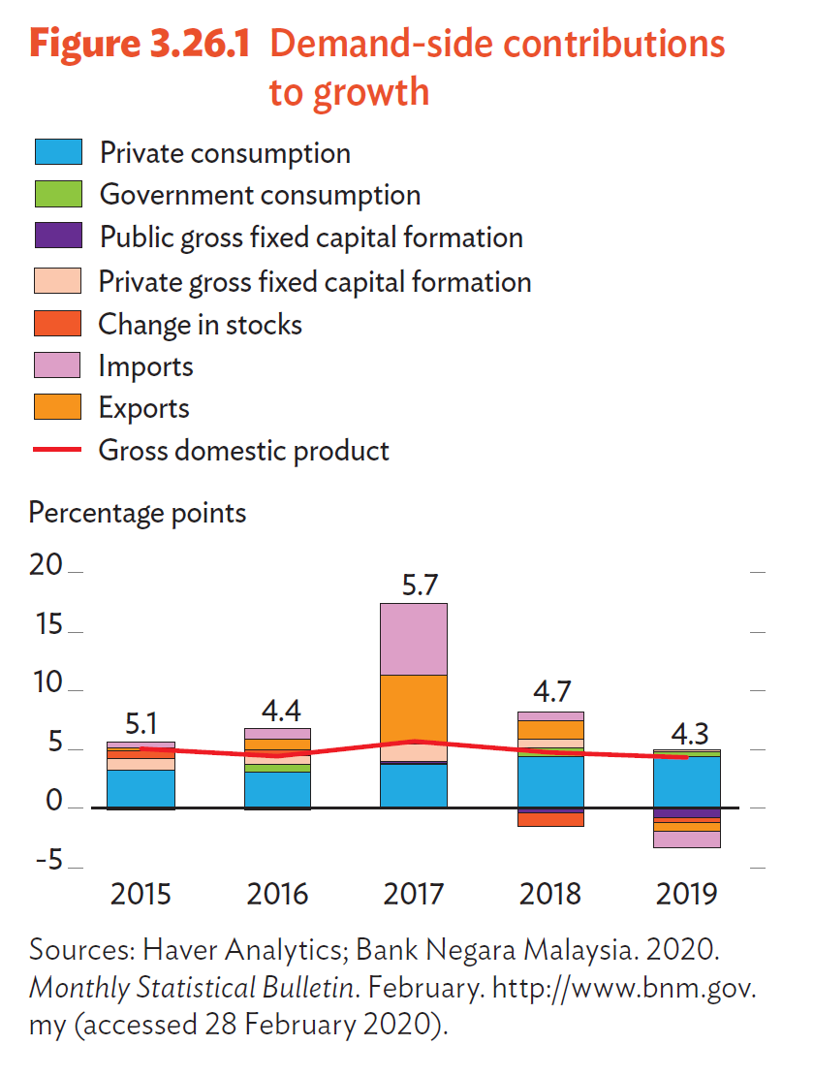
 |  | Private consumptpion | Government consumption | Public gross fixed capital formation | Private gross fixed capital formation | Change in stocks | Exports | Imports | Gross domestic product
 |  | Percentage points |  |  |  |  |  |  | %
 | 2015 | 3.2 | 0.6 | -0.1 | 1.0 | 0.7 | 0.2 | 0.5 | 5.1
 | 2016 | 3.2 | 0.1 | -0.1 | 0.7 | 0.5 | 0.9 | 0.9 | 4.4
 | 2017 | 3.7 | 0.7 | 0.0 | 1.5 | 0.0 | 5.8 | 6.1 | 5.7
 | 2018 | 4.4 | 0.4 | -0.4 | 0.7 | -1.2 | 1.5 | 0.8 | 4.7
 | 2019 | 4.3 | 0.3 | -0.8 | 0.3 | -0.4 | -0.8 | -1.4 | 4.3

 | Sources: Haver Analytics; Bank Negara Malaysia. 2020. Monthly Statistical Bulletin. February. http://www.bnm.gov.my (accessed 28 February 2020).

3.26.2
Asian Development Bank | <<< back to content
Asian Development Outlook 2020: What Drives Innovation in Asia?
Access the complete publication at | 3.26.2 Supply-side contributions to growth
https://www.adb.org/ado2020
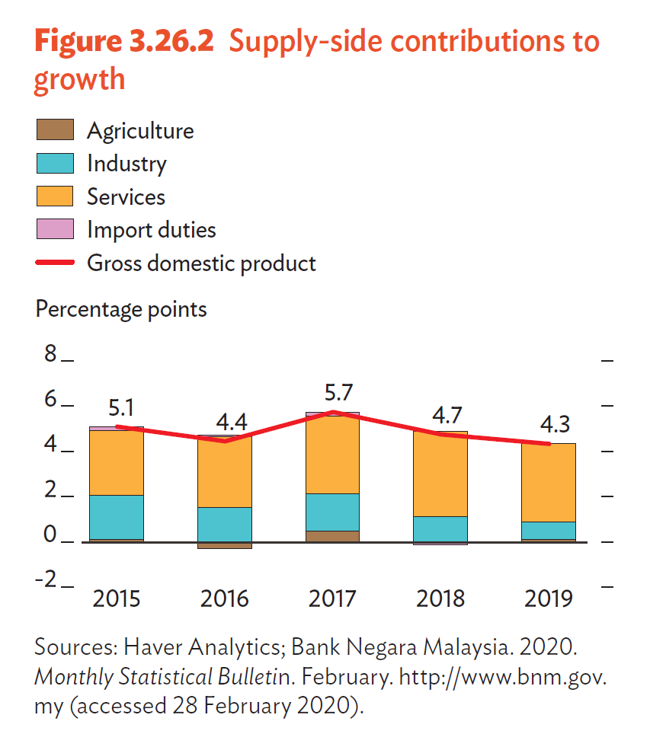

 |  | Gross domestic product | Agriculture | Industry | Services | Import duties
 |  | % | Percentage points
 | 2015 | 5.1 | 0.1 | 1.9 | 2.9 | 0.2
 | 2016 | 4.4 | -0.3 | 1.5 | 3.1 | 0.1
 | 2017 | 5.7 | 0.4 | 1.7 | 3.4 | 0.2
 | 2018 | 4.7 | 0.0 | 1.1 | 3.8 | -0.2
 | 2019 | 4.3 | 0.1 | 0.7 | 3.5 | 0.0

 | Sources: Asian Development Outlook database; CEIC Data Company (accessed 12 March 2020).

3.26.3
Asian Development Bank | <<< back to content
Asian Development Outlook 2020: What Drives Innovation in Asia?
Access the complete publication at | 3.26.3 Monthly inflation
https://www.adb.org/ado2020 | %
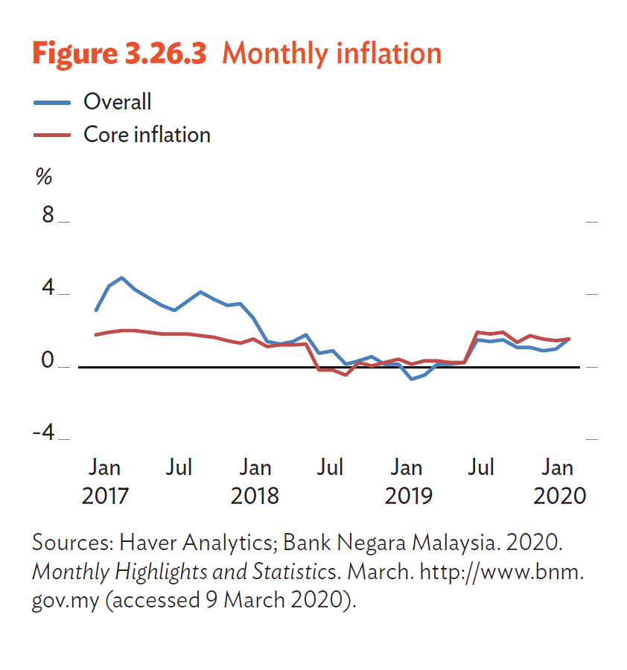
 |  | Overall | Core inflation
 | Jan-17 | 3.1 | 1.8
 | Feb-17 | 4.5 | 1.9
 | Mar-17 | 4.9 | 2.0
 | Apr-17 | 4.3 | 2.0
 | May-17 | 3.8 | 1.9
 | Jun-17 | 3.4 | 1.9
 | Jul-17 | 3.1 | 1.9
 | Aug-17 | 3.6 | 1.8
 | Sep-17 | 4.2 | 1.8
 | Oct-17 | 3.7 | 1.7
 | Nov-17 | 3.4 | 1.5
 | Dec-17 | 3.5 | 1.3
 | Jan-18 | 2.7 | 1.6
 | Feb-18 | 1.4 | 1.1
 | Mar-18 | 1.3 | 1.2
 | Apr-18 | 1.4 | 1.2
 | May-18 | 1.8 | 1.3
 | Jun-18 | 0.8 | -0.2
 | Jul-18 | 0.9 | -0.2
 | Aug-18 | 0.2 | -0.4
 | Sep-18 | 0.3 | 0.3
 | Oct-18 | 0.6 | 0.1
 | Nov-18 | 0.2 | 0.3
 | Dec-18 | 0.2 | 0.4
 | Jan-19 | -0.7 | 0.2
 | Feb-19 | -0.4 | 0.3
 | Mar-19 | 0.2 | 0.3
 | Apr-19 | 0.2 | 0.3
 | May-19 | 0.2 | 0.3
 | Jun-19 | 1.5 | 1.9
 | Jul-19 | 1.4 | 1.8
 | Aug-19 | 1.5 | 1.9
 | Sep-19 | 1.1 | 1.4
 | Oct-19 | 1.1 | 1.7
 | Nov-19 | 0.9 | 1.5
 | Dec-19 | 1.0 | 1.5
 | Jan-20 | 1.6 | 1.5

 | Sources: Haver Analytics; Bank Negara Malaysia. 2020. Monthly Highlights and Statistics. March. http://www.bnm.gov.my (accessed 9 March 2020).

3.26.4
Asian Development Bank | <<< back to content
Asian Development Outlook 2020: What Drives Innovation in Asia?
Access the complete publication at | 3.26.4 Current account balance components
https://www.adb.org/ado2020 | (% of GDP)

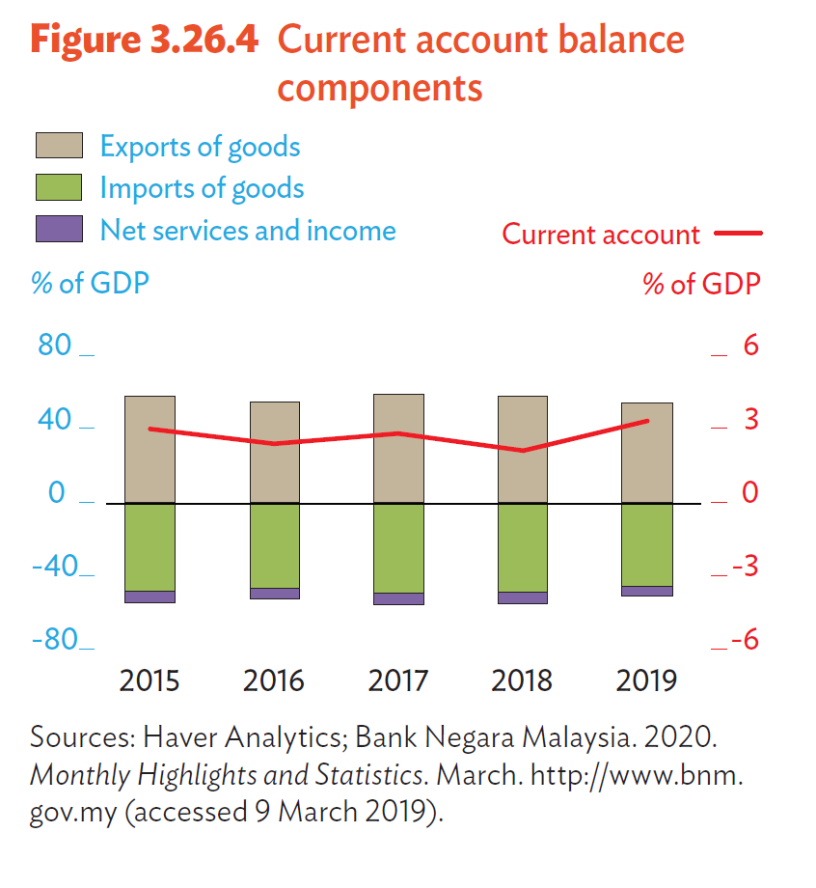
 |  | Current account | Exports of goods | Imports of Goods | Net services and income | Import duties

 | 2015 | 3.0 | 57.9 | -48.6 | -6.3 | 0.2
 | 2016 | 2.4 | 55.0 | -46.8 | -5.8 | 0.1
 | 2017 | 2.8 | 58.4 | -49.9 | -5.7 | 0.2
 | 2018 | 2.1 | 57.6 | -49.3 | -6.1 | -0.2
 | 2019 | 3.3 | 54.1 | -45.8 | -5.0 | 0.0

 | Sources: Haver Analytics; Bank Negara Malaysia. 2020. Monthly Highlights and Statistics. March. http://www.bnm.gov.my (accessed 9 March 2019).

3.26.5
Asian Development Bank | <<< back to content
Asian Development Outlook 2020: What drives innovation in Asia?
Access the complete publication at | 3.26.5 Consumer and business confidence indexes
https://www.adb.org/ado2020 | (% change year on year)

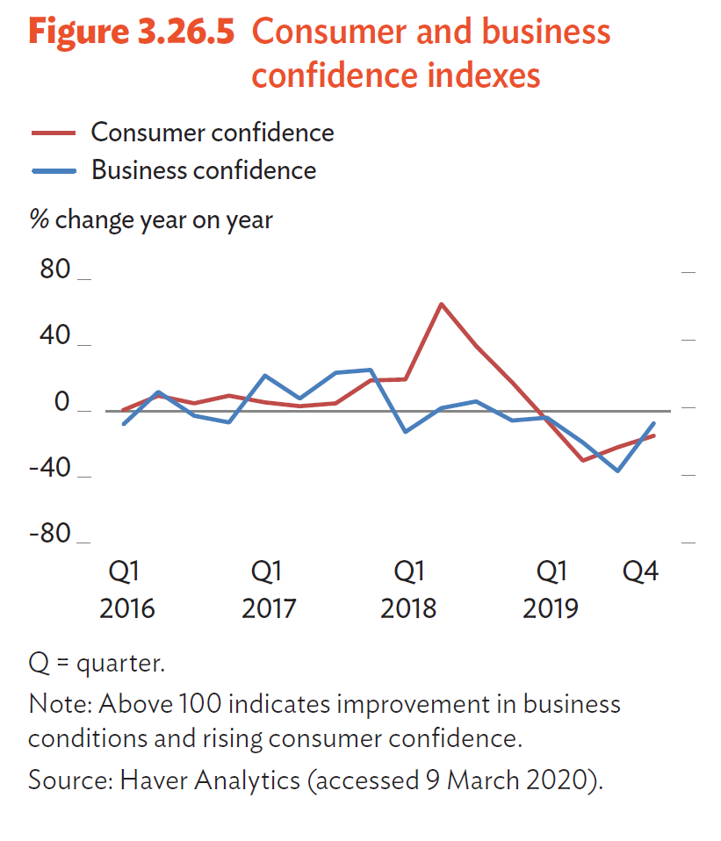
 |  | Consumer confidence | Business confidence
 | Q1 2016 | 0.4 | -8.0
 | Q2 2016 | 9.5 | 11.5
 | Q3 2016 | 4.8 | -2.9
 | Q4 2016 | 9.4 | -6.8
 | Q1 2017 | 5.1 | 21.3
 | Q2 2017 | 2.8 | 7.2
 | Q3 2017 | 4.8 | 22.9
 | Q4 2017 | 18.3 | 25.0
 | Q1 2018 | 18.8 | -12.5
 | Q2 2018 | 64.7 | 1.9
 | Q3 2018 | 39.4 | 5.5
 | Q4 2018 | 17.2 | -6.1
 | Q1 2019 | -5.9 | -4.4
 | Q2 2019 | -30.0 | -19.0
 | Q3 2019 | -21.9 | -36.6
 | Q4 2019 | -15.0 | -7.3

 | Note: Above 100 indicates improvement in business conditions and rising consumer confidence.
 | Source: Haver Analytics (accessed 9 March 2020).

3.26.6
Asian Development Bank | <<< back to content
Asian Development Outlook 2020: What drives innovation in Asia?
Access the complete publication at | 3.26.6 GDP growth
https://www.adb.org/ado2020 | (%)

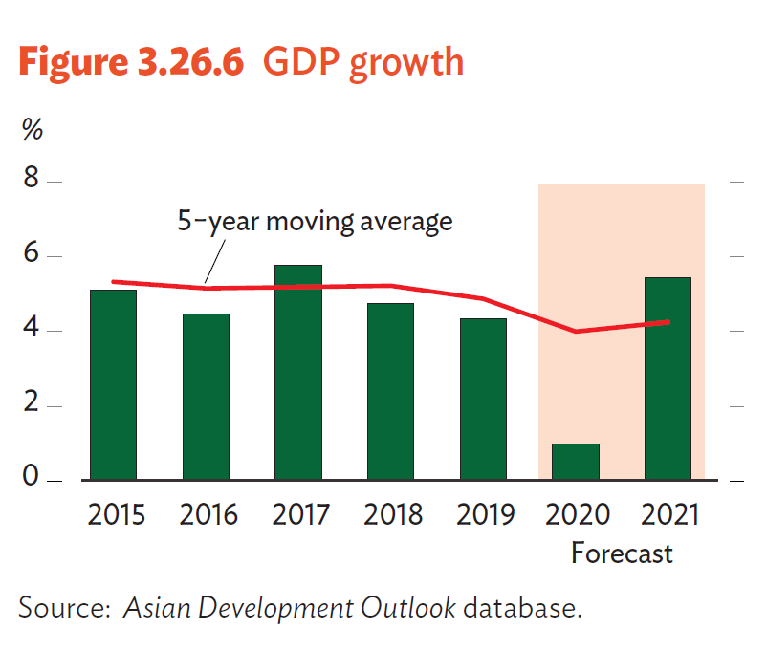
 |  | GDP growth | 5-year moving average
 | 2015 | 5.1 | 5.3
 | 2016 | 4.4 | 5.1
 | 2017 | 5.7 | 5.2
 | 2018 | 4.7 | 5.2
 | 2019 | 4.3 | 4.9
 | 2020 | 0.5 | 4.0 | Forecast
 | 2021 | 5.5 | 4.2 | Forecast

 | Source: Asian Development Outlook database.

3.26.7
Asian Development Bank | <<< back to content
Asian Development Outlook 2020: What drives innovation in Asia?
Access the complete publication at | 3.26.7 Inflation
https://www.adb.org/ado2020 | (%)

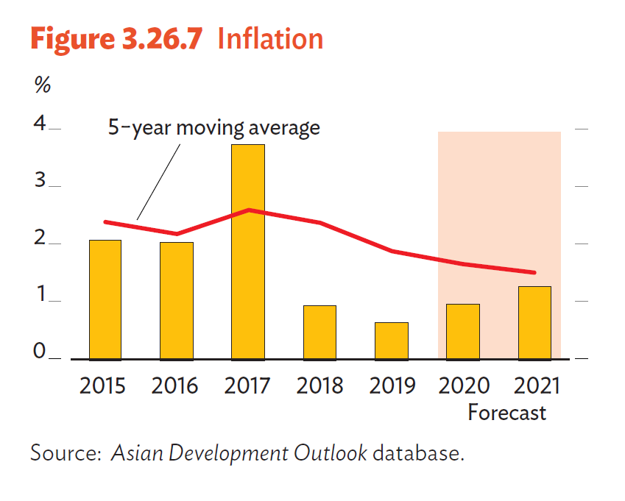
 |  | Inflation | 5-year moving average
 | 2015 | 2.1 | 2.4
 | 2016 | 2.1 | 2.2
 | 2017 | 3.8 | 2.6
 | 2018 | 1.0 | 2.4
 | 2019 | 0.7 | 1.9
 | 2020 | 1.3 | 1.8 | Forecast
 | 2021 | 1.5 | 1.6 | Forecast

 | Source: Asian Development Outlook database.

3.26.8
Asian Development Bank | <<< back to content
Asian Development Outlook 2020: What drives innovation in Asia?
Access the complete publication at | 3.26.8 Exports and imports growth
https://www.adb.org/ado2020 | (% change year on year, 3-month moving average)
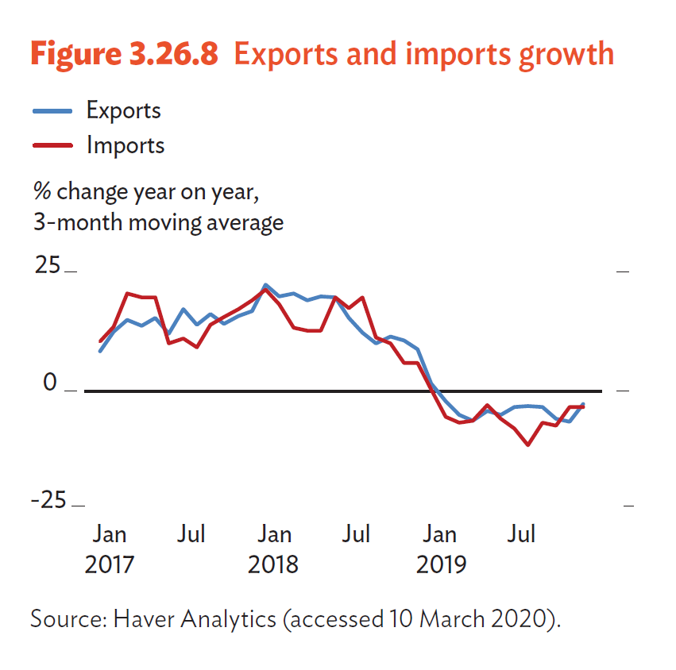

 |  | Exports | Imports
 | Jan-17 | 8.2 | 10.2
 | Feb-17 | 12.3 | 13.4
 | Mar-17 | 14.9 | 20.4
 | Apr-17 | 13.7 | 19.6
 | May-17 | 15.2 | 19.7
 | Jun-17 | 11.9 | 9.8
 | Jul-17 | 17.1 | 11.0
 | Aug-17 | 13.8 | 9.0
 | Sep-17 | 16.1 | 13.8
 | Oct-17 | 14.0 | 15.5
 | Nov-17 | 15.7 | 17.2
 | Dec-17 | 16.7 | 19.0
 | Jan-18 | 22.3 | 21.3
 | Feb-18 | 19.8 | 18.3
 | Mar-18 | 20.4 | 13.2
 | Apr-18 | 19.0 | 12.6
 | May-18 | 19.8 | 12.5
 | Jun-18 | 19.6 | 19.6
 | Jul-18 | 15.3 | 17.4
 | Aug-18 | 12.3 | 19.6
 | Sep-18 | 9.9 | 11.2
 | Oct-18 | 11.4 | 9.8
 | Nov-18 | 10.5 | 5.6
 | Dec-18 | 8.7 | 5.7
 | Jan-19 | 1.4 | 0.2
 | Feb-19 | -2.4 | -5.7
 | Mar-19 | -5.3 | -6.9
 | Apr-19 | -6.5 | -6.5
 | May-19 | -4.6 | -3.3
 | Jun-19 | -5.2 | -6.2
 | Jul-19 | -3.6 | -8.2
 | Aug-19 | -3.5 | -11.8
 | Sep-19 | -3.6 | -7.0
 | Oct-19 | -6.1 | -7.6
 | Nov-19 | -6.7 | -3.7
 | Dec-19 | -3.0 | -3.6
 | Jan-20 | -0.7 | -1.0

 | Source: Haver Analytics (accessed 10 March 2020).

3.26.9
Asian Development Bank | <<< back to content
Asian Development Outlook 2020: What drives innovation in Asia?
Access the complete publication at | 3.26.9 Unemployment rate
https://www.adb.org/ado2020 | %
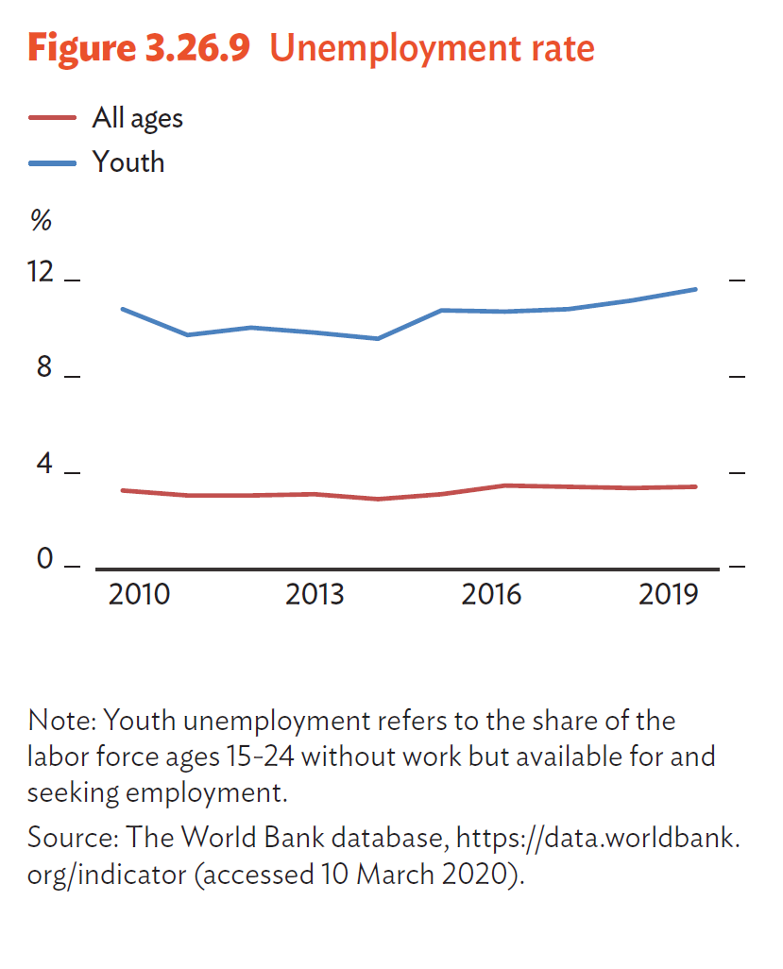

 |  | Exports | Imports
 | 2010 | 1.5 | 1.0
 | 2011 | 1.3 | 0.9
 | 2012 | 0.7 | 0.5
 | 2013 | 0.5 | 0.3
 | 2014 | 0.5 | 0.3
 | 2015 | 0.5 | 0.3
 | 2016 | 0.5 | 0.3
 | 2017 | 0.4 | 0.3
 | 2018 | 0.5 | 0.3
 | 2019 | 0.4 | 0.3

 | Note: Youth unemployment refers to the share of the labor force ages 15-24 without work but available for and seeking employment.
 | Source: The World Bank database, https://data.worldbank.org/indicator (accessed 10 March 2020).

